Twist Instructions
TWIST CUSTOM PANEL - RNA DESIGN INTAKE FORM
___________________________________________________________________________________________________
At Twist Bioscience, we combine precise oligonucleotide synthesis with a scalable silicon-based manufacturing platform to generate high-performing probe panels for NGS target enrichment. We complement this powerful technology with proprietary design algorithms and a rapid iteration pipeline to enable the quick custom design, synthesis, and optimization of panels. Twist Custom Panels can be designed and built to cover a wide range of panel sizes, target regions, and complex design requirements — all with exceptional and consistent performance. This intake form is to be filled with the targets you would like to capture in your Twist Custom Panel. We offer highly specialized design strategies depending on the targets and application type. This form is to be used for RNA (cDNA) applications.
These custom panel design requests are handled by an expert team of bioinformatic scientists with strong genomics backgrounds. Through our whiteglove service, each design is thoughtfully made and highly customized to fit your exact needs. Therefore, we require design request submissions be fully finalized before the requests are submitted. Please let your sales representative know if you would like to schedule a pre-design consultation with a bioinformatic FAS to discuss your design before submission
Twist Instructions Tab (required) = Contact details: Use this section to fill in the name and shipping address of the customer. This is the information used to generate a quote and shipping documents. General panel information: Use this section to fill out your preferred panel name, species, and genome build of your panel design (exon aware - human, mouse ,or rat only supported). The genome build provided will dictate the version of the covered target file from the output of the design. It will also be used if any genomic coordinates are provided.
 | 

For more detailed information on our white glove custom panel design, visit our website.

Contact details
Name
Company / Department
Phone
Email Address
General Panel Information
Panel Name
Species | Human
Genome Build
TWIST Bioinformatics Team

FRM-001373v2.3

Design Instructions
Design Instructions Tab(required):
Experiment Type: RNA (for DNA or Methylation experiments, please download the corresponding form).
Design Type:
Exon Aware (default): Uses a proprietary Twist RNAseq design strategy placing probes within exons for unbiased transcript capture, regardless of isoform or exon partner.
Non Exon Aware: Targets transcript(s) of each gene from end to end with non-overlapping probes, also targets genomic regions similarly.
Application Type: Field of study or experiment goal.
Prior Design ID (for redesigns): If redesigning a previous panel, provide the prior design ID (e.g., RXTE-91234567) found in the design report.
Add Previous Targets of Prior Design ID?: For redesigns, choose YES to add new targets to all original targets from the previous design; choose NO to proceed with a new set of targets or deletions.
Sequencing Technology: Select short read or long read sequencing.
Panel Spike-in: Design a custom panel as a "spike-in" to a main fixed panel or custom panel. Overlapping targets will be subtracted.
Base Panel Name or TE Number: Provide the main custom panel design ID or choose from fixed panel content options.
Additional Information: Provide any additional details for the design team.
Apply Filters for Repetitive Sequences: Choose to apply repeat filtering to avoid off-target effects or opt for no filtering for 100% coverage of genes.
No Filter (default) : Override repeat filtering for 100% target coverage, noting potential increases in off-target metrics.
rRNA Screening (Exon Aware designs only): Screen probes against rRNA sequences to avoid capturing highly abundant transcripts.
Low Complexity Screening: Screen probes against low complexity regions of the genome.
Design Instructions |  | Tab Instructions
Experiment Type | RNA Capture
Design Type | Exon Aware (default option)
Application Type | Please select one of the options from the drop-down menu
For redesigns, what is the prior design ID?
For redesigns, add previous targets of prior design ID?
Sequencing Technology | Short-Read Sequencing (default option)
Panel Spike-in | No (default option)
Base Panel Name or RXTE number: | Twist RNA Exome
Please provide any additional information regarding your panel design:

 |  | Exon Aware (default option) | Non Exon Aware
 |  | No Filter (default option)
 |  | rRNA (exon-aware only)
 |  | Low complexity
 |  | non-targeted transcripts (exon-aware only) (coming soon)

Apply filters for repetitive sequences | No Filter (default option)

Gene
Gene Tab:
Purpose: Use this tab to provide your target Genes.
Database: Choose the transcript database for design basis. Chosing both is not supported.
Gencode (default): Default option for both exon aware and non-exon aware designs.
RefSeq: Option for both exon aware and non-exon aware designs.
Regions to Cover within Each Gene:
CDS only (default): Targets coding sequence (CDS) exons within selected transcripts.
CDS + UTRs: Targets coding exons and both 5' and 3' UTRs within selected transcripts.
CDS + 5' UTRs: Targets coding exons and only 5' UTRs within selected transcripts.
CDS + 3' UTRs: Targets coding exons and only 3' UTRs within selected transcripts.
UTRs only: Targets only the 5' and 3' UTRs within selected transcripts. Use for designs as a spike-in to the Twist RNA exome.
Gene Name: Provide a list of gene names to be targeted. Must be approved gene symbols or IDs from supported databases. If no other columns are selected, all protein coding transcripts and CDS exons will be designed.
Accession ID: Provide transcript IDs to target specific ones (one per line).
Exons: By default, all CDS exons will be targeted. Specify specific exons by transcript ID. Use comma-delimited format for multiple exons (e.g., 2,5,7).
Extras: Note any additional comments or requirements per line, like including UTRs for specific genes or targeting specific transcript types (e.g., MANE or Canonical).
Default settings, applied to all the genes (overridden by gene specific settings) |  |  |  |  | Tab Instructions
Database: | GENCODE (default option)
Regions to cover within each gene: | CDS only (default option)
Gene specific settings (optional fields are marked with an asterisk *)
Gene Name (NCBI approved or database ID) | Accession ID* (if provided, only these transcripts will be used) | Exons* (provide a relevant Accession ID) | Extras* (UTRs, MANE/Canonical transcript only) | Comments*

Genomic Coordinates
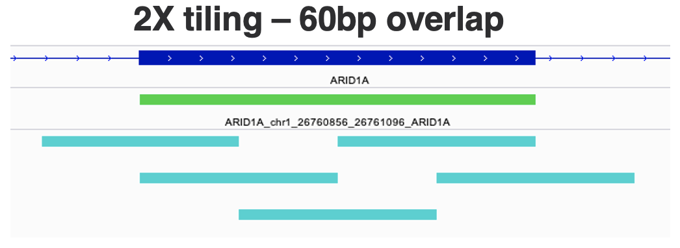
Genomic Coordinates Tab (optional):
Purpose: Use this tab to include additional genome regions like intronic coordinates or intergenic regions. Non exon aware tiling will be applied to cover these targets. Ensure the genome build matches the coordinates. Coordinates should be 0-based, similar to BED files.
Columns:
chr: Chromosome of the target location (use "chr1" format).
start: 0-based start position of the target location.
stop: 0-based stop position of the target location.
Annotation: Provide an annotation for your target.
Tiling: Indicates forced overlap between probes. Default is 1X tiling, meaning no forced overlap. Higher tiling levels will place more probes per basepair, inflating the capture/design space. For example, 2X tiling would mean 2 probes per basepair with 60bps of overlap between probes.
Comments: Additional comments or notes.
For instance, 2X tiling would be 2 probes per basepair with 60bps of overlap between probes.
Coordinates are expected to be 0-based, like in BED files. Optional fields are marked with an asterisk* |  |  |  |  |  | Tab Instructions
chr | start | stop | Annotation* | Tiling* (default = 1X) | Comments*

RNA Fusions
RNA Fusions Tab (optional):
Purpose: Use this tab to target specific regions within transcripts known to have fusions. Please use either this tab OR the Gene tab, but not both. Twist probes target both the sense and antisense of your targets.
Columns:
Assay Type: RNA (cDNA) Gene Fusions. For DNA fusions, please use the DNA custom intake form. If your assay is for other applications or for targeting the entire gene, use the Gene tab in this sheet.
Transcript ID: Provide a list of transcript IDs to target. These must be approved IDs from supported databases (Gencode and/or RefSeq).
Exons: Target specific exons by providing transcript IDs. Use comma delimitation for multiple exons from the same transcript (e.g., 2,5,7).
Extras* (UTR, etc.): Indicate any extra targets to include for that transcript ID.
Comments: Add any optional comments.
Default settings, applied to all the transcripts (overridden by transcript specific settings) |  |  |  | Tab Instructions
Assay Type: | RNA (cDNA) Gene Fusions
Transcript specific settings (optional fields are marked with an asterisk *)
Transcript ID* | Exons* | Extras* (UTR, etc.) | Comments*

FASTA | Viral
FASTA | Viral Tab (optional):
Purpose: Use this tab to target sequences from viruses or exact sequences.
Columns:
FASTA: Input sequences into each line. Sequences must be at least 120bps and contain only A, G, C, or T.
Accession ID: Use this column to input accession IDs from common databases instead of sequences.
Tiling: Indicates forced overlap between probes. Default is 1X tiling, meaning no forced overlap. Higher tiling levels will place more probes per basepair to your sequence. Note that the first and last X bps will not have a corresponding number of probes due to no sequence to extend into on the flanks.
Comments: Add any optional comments.
FASTA files can be sent directly as an attachment, or can be pasted below. Optional fields are marked with an asterisk* Please note that the sequences should be a minimum of 120bp. |  |  |  | Tab Instructions
FASTA* | Accession ID* | Tiling* | Comments*

